Sheet1
Name | Designation | Department | PHOTO
Dr. Anjali Kumari | Junior Resident | ANATOMY | 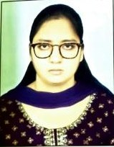
Dr. Ankush Kumar | TUTOR | ANATOMY | 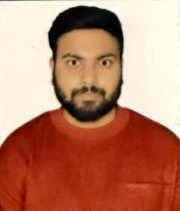
Dr. Bhawna Jha | TUTOR | ANATOMY | 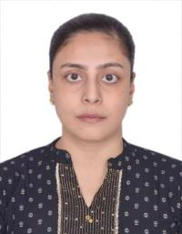
Dr. GOPAL KUMAR | TUTOR | ANATOMY | 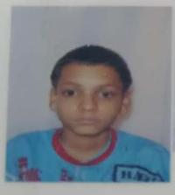
Dr. Jiya Lal Yadav | Junior Resident | ANATOMY | 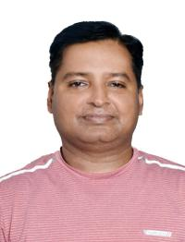
Dr. Manoj Kumar Singh | TUTOR | ANATOMY | 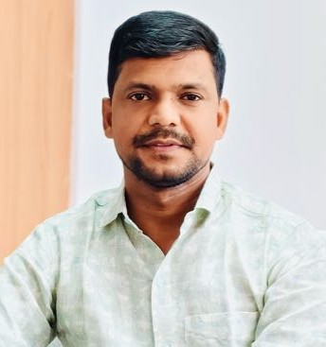
Dr. Navin Kumar Singh | TUTOR | ANATOMY | 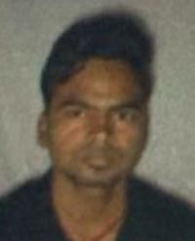
Dr. Nikki Rani | Junior Resident | ANATOMY | 
Dr. Pallavi Ranjan Anand | Assistant Professor | ANATOMY | 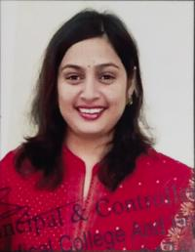
Dr. Rajendra Prasad | Principal | ANATOMY | 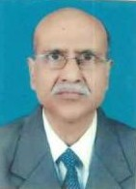
Dr. ROSHINI CHINNATHAMBI | TUTOR | ANATOMY | 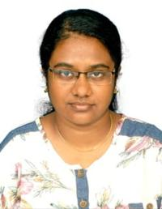
Dr. Sanjay Kishanrao Kachhave | Professor | ANATOMY | 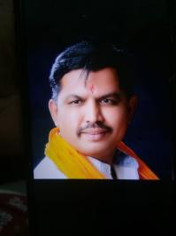
Dr. Sikha Sinha | Assistant Professor | ANATOMY | 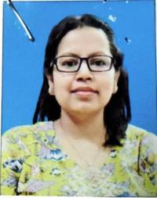
Dr. Anita Kumari | Assistant Professor | ANESTHESIOLOGY | NO
Dr. Arun Kumar Gupta | Professor | ANESTHESIOLOGY | 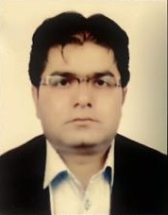
Dr. Nalin Vilochan | Assistant Professor | ANESTHESIOLOGY | 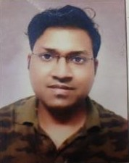
Dr. Deepak Kumar Sinha | Senior Resident | ANESTHESIOLOGY | 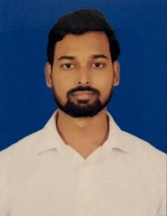
Dr. Diksha | Assistant Professor | ANESTHESIOLOGY | 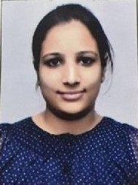
Dr Advait Vibhakar Thakor | Professor | ANESTHESIOLOGY | 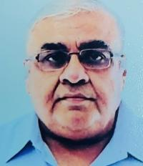
Dr Bhavya Reddy H A | Professor | ANESTHESIOLOGY | 
DR. RAJEEV KUMAR | Assistant Professor | ANESTHESIOLOGY | 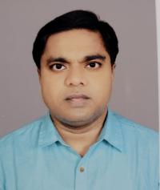
Dr. Gunjan Kamra | Assistant Professor | ANESTHESIOLOGY | no
Dr. Himanshu Bhasin | Associate Professor | ANESTHESIOLOGY | 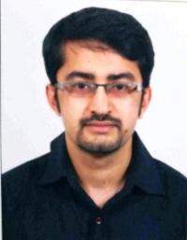
Dr. Pravin Tiwari | Assistant Professor | ANESTHESIOLOGY | 
Dr. Pushkar Kumar | Senior Resident | ANESTHESIOLOGY | 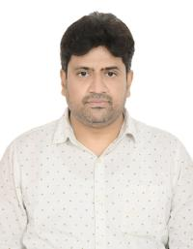
Dr. RAMA SHANKAR KUMAR | Senior Resident | ANESTHESIOLOGY | 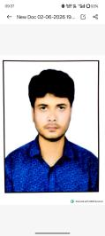
Dr. Sanjeev Kumar Singla | Professor | ANESTHESIOLOGY | 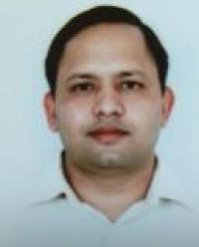
Dr. Shambhavi Kumari | Senior Resident | ANESTHESIOLOGY | 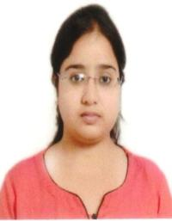
Dr. SHASHI BHUSHAN VERMA | Senior Resident | ANESTHESIOLOGY | 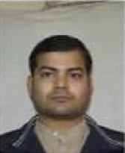
Dr. Swarnika Singh | Assistant Professor | ANESTHESIOLOGY | 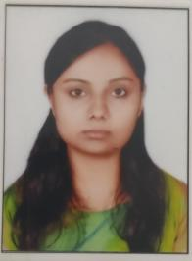
Dr. Aishwarya | Senior Resident | BIOCHEMISTRY | 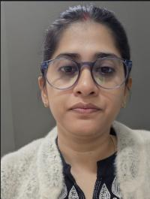
Dr. Kanak Lata Kumari | Senior Resident | BIOCHEMISTRY | 
Dr. Kumar Vivekanand | TUTOR | BIOCHEMISTRY | 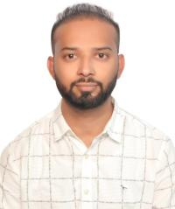
Dr. PIYUSH KUMAR | Junior Resident | BIOCHEMISTRY | 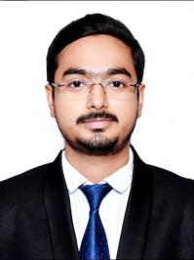
Dr. Rakesh Kumar Sinha | Assistant Professor | BIOCHEMISTRY | 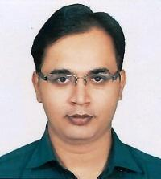
Dr. RAM PRAVESH BHARTI | Senior Resident | BIOCHEMISTRY | 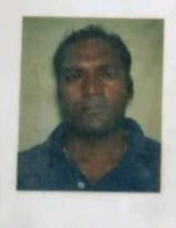
Dr. RAVI RAUSHAN KUMAR | TUTOR | BIOCHEMISTRY | 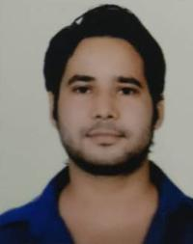
Dr. Renu Nagar | Associate Professor | BIOCHEMISTRY | 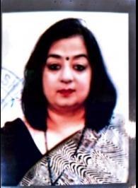
Dr. Rishika Sharma | TUTOR | BIOCHEMISTRY | 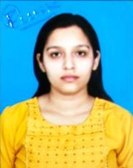
Dr. S M MUMTAZUL HAQUE | Senior Resident | BIOCHEMISTRY | 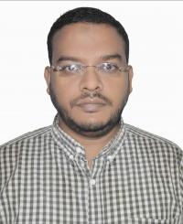
Dr. Sanjeet Kumar Sangam | Junior Resident | BIOCHEMISTRY | 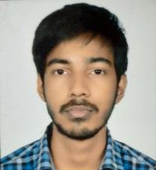
Dr. Shivani Sameer Sheth | Assistant Professor | BIOCHEMISTRY | 
Dr. SNEHLATA PRAJAPATI | TUTOR | BIOCHEMISTRY | 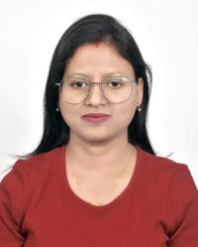
Dr. Suman Chanda | Assistant Professor | BIOCHEMISTRY | 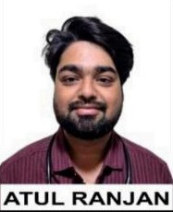 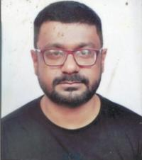
Dr. TARANNUM FATIMA SUBHANI | Professor | BIOCHEMISTRY | 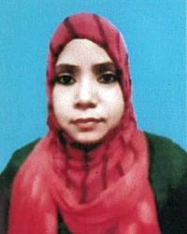
Dr. AJITESH KUMAR MISHRA | TUTOR | COMMUNITY MEDICINE | 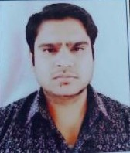
Dr. Amit Kumar Gupta | Professor | COMMUNITY MEDICINE | 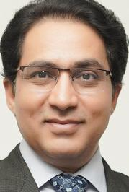
Dr. Amit Patel | Senior Resident | COMMUNITY MEDICINE | No
Dr. Anumita Maiti | Senior Resident | COMMUNITY MEDICINE | 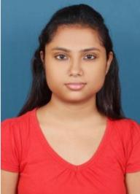
Dr. Della | Senior Resident | COMMUNITY MEDICINE | 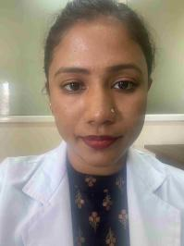
Dr. POOJA CHAUHAN | Professor | COMMUNITY MEDICINE | 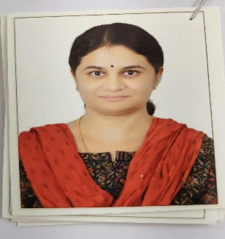
Dr. Ravi Shankar Sinha | TUTOR | COMMUNITY MEDICINE | 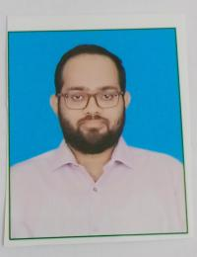
Dr. RIYA GUPTA | TUTOR | COMMUNITY MEDICINE | 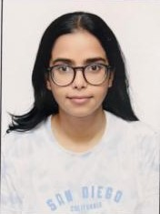
Dr. Subbanna Jonnalagada | Associate Professor | COMMUNITY MEDICINE | 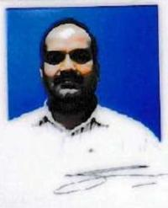
Dr. Sunil Kumar Yadav | Statistician | COMMUNITY MEDICINE | 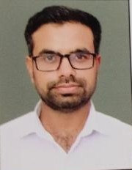
Dr. Tarundeep Singh | Professor | COMMUNITY MEDICINE | 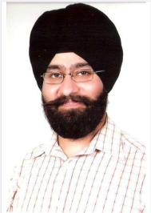
Dr. VISHAL PRASAD | Assistant Professor | COMMUNITY MEDICINE | 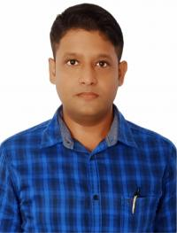
Dr. Vishwanath Prasad | Associate Professor | COMMUNITY MEDICINE | 
Dr. AASHMIKA MAHAJAN | Senior Resident | DENTISTRY | 
Dr. Aashna Jyoti | Junior Resident | DENTISTRY | 
Dr. Akansaa | Junior Resident | DENTISTRY | 
Dr. Anand Kumar Thakur | Assistant Professor | DENTISTRY | 
Dr. Lara Jain | Associate Professor | DENTISTRY | 
Dr. MANU VATS | Junior Resident | DVL | 
Dr. Piyush Kumar | Professor | DVL | 
Dr. SHREEPARNA DEB | Assistant Professor | DVL | 
Dr. SHUBHAM SIDHARTH | Junior Resident | DVL | 
Dr. Vyjayanthi | Senior Resident | DVL | 
Dr. Krity PRIYA | TUTOR | FORENSIC MEDICINE & TOXICOLOGY | 
Dr. Sarika Sinha | TUTOR | FORENSIC MEDICINE & TOXICOLOGY | 
Dr. Madhup Kumar B. Shai | Professor | Forensic Medicine & Toxicology
Dr. AARAV RANJAN | Junior Resident | GENERAL MEDICINE | 
Dr. Anand Gaurav | Assistant Professor | GENERAL MEDICINE | 
Dr. ANUPAM JHA | Junior Resident | GENERAL MEDICINE | 
Awadhesh Kumar | Assistant Professor | GENERAL MEDICINE | 
Dr. Hemant Kumar | Assistant Professor | GENERAL MEDICINE | 
Dr. Jamuna Panday | Assistant Professor | GENERAL MEDICINE | 
Dr. KULDEEP KUMAR RAO | Junior Resident | GENERAL MEDICINE | 
Dr. Manish Kumar Yadav | Junior Resident | GENERAL MEDICINE | 
Dr. Md Amid | Junior Resident | GENERAL MEDICINE | 
Dr. Mogisur Rahaman | Senior Resident | GENERAL MEDICINE | 
Dr. Mohd. Tariq | Senior Resident | GENERAL MEDICINE | no
Dr. Mrityunjay Kumar | Associate Professor | GENERAL MEDICINE | 
Dr. NAVEEN KUMAR | Junior Resident | GENERAL MEDICINE | 
Dr. Nihar Bhikhubhai Desai | Professor | GENERAL MEDICINE | 
Dr. Nikhil Saxena | Associate Professor | GENERAL MEDICINE | 
Dr. OM PRAKASH | Junior Resident | GENERAL MEDICINE | 
Dr. Pramod Kumar Sinha | Dean/Principal/Professor | GENERAL MEDICINE | 
Dr. Ramindla Sruthi | Senior Resident | GENERAL MEDICINE | 
Dr. Sangeeta | Senior Resident | GENERAL MEDICINE | 
Dr. Saurabh Jaiswal | Assistant Professor | GENERAL MEDICINE | 
Dr. Shatrudhan Kumar | Senior Resident | GENERAL MEDICINE | 
Dr. SHIVAM KUMAR | Junior Resident | GENERAL MEDICINE | 
Dr. Sunny Kumar | Senior Resident | GENERAL MEDICINE | 
Dr. USMAN RASOOL | Assistant Professor | GENERAL MEDICINE | 
Dr. Veenu Prabha | Junior Resident | GENERAL MEDICINE | 
Dr. AKASH KUMAR | Junior Resident | GENERAL SURGERY | 
Dr. Amit Kumar Gupta | Assistant Professor | GENERAL SURGERY | 
Dr. Anand Kishore | Associate Professor | GENERAL SURGERY | 
Dr. Anant Parashar | Assistant Professor | GENERAL SURGERY | 
Dr. Ankul Rai | Junior Resident | GENERAL SURGERY | 
Dr. Apurva Prakash | Associate Professor | GENERAL SURGERY | 
Dr. ASHISH KUMAR SINGH | Senior Resident | GENERAL SURGERY | 
Dr. ASHISH PRASAD | Assistant Professor | GENERAL SURGERY | 
Dr. ATUL RANJAN | Junior Resident | GENERAL SURGERY
Dr. Bharath Dath Anche T R | Associate Professor | GENERAL SURGERY | 
Dr. DHEERAJ KUMAR DHEEROO | Assistant Professor | GENERAL SURGERY | 
DR.M.SHAIR KHAN | Professor | GENERAL SURGERY | No
Dr. Gautam Kumar | Junior Resident | GENERAL SURGERY | 
Dr. Gautam Kumar | Junior Resident | GENERAL SURGERY | 
Dr. HRITIK KUMAR SINGH | Junior Resident | GENERAL SURGERY | 
Dr. Jay Prakash Singh | Assistant Professor | GENERAL SURGERY |  
Dr. KALYAN KUMAR | Junior Resident | GENERAL SURGERY | 
Dr. Md. Muzamil | Senior Resident | GENERAL SURGERY | 
Dr. Pati Sravanthi | Senior Resident | GENERAL SURGERY | 
Dr. Rahul Ranjan | Senior Resident | GENERAL SURGERY | No
Dr. Rajesh Chandulal Shah | Professor | GENERAL SURGERY | 
Dr. RAVI RANJAN | Junior Resident | GENERAL SURGERY | 
Dr. SACHCHIDANAND PRASAD | Associate Professor | GENERAL SURGERY | 
Dr. Sakshi Kumari | Senior Resident | GENERAL SURGERY | 
Dr. SHASHI KANT | Assistant Professor | GENERAL SURGERY | 
Dr. SHASHI KUMAR | Junior Resident | GENERAL SURGERY | 
Dr. Shubham Subhash Kolte | Senior Resident | GENERAL SURGERY | no
Dr. Soni Kumari | Assistant Professor | GENERAL SURGERY | 
Dr. Vaibhav Vikas | Assistant Professor | GENERAL SURGERY | 
Dr. Vikram Mehta | Senior Resident | GENERAL SURGERY
Dr. Ajit Kumar | TUTOR | MICROBIOLOGY | 
Dr. Amiyabala Sahoo | Assistant Professor | MICROBIOLOGY | 
Dr. Anay Raj | TUTOR | MICROBIOLOGY | No
Dr. Animesh Kumar | Assistant Professor | MICROBIOLOGY | 
Dr. E Sundar | Associate Professor | MICROBIOLOGY | 
Dr. Kamlesh Ramjas Vishwakarma | Senior Resident | MICROBIOLOGY | 
Dr. Kundrapu Snehitha | Senior Resident | MICROBIOLOGY | 
Dr. Murali Gautam | TUTOR | MICROBIOLOGY | 
Dr. Nazir Ahmad Var | Associate Professor | MICROBIOLOGY | 
Dr. Prem Prakash | Assistant Professor | MICROBIOLOGY | 
Dr. Raina Anand | TUTOR | MICROBIOLOGY | 
Dr. Rishabh Rajput | Senior Resident | MICROBIOLOGY | 
Dr. SUMAN KUMAR | Senior Resident | MICROBIOLOGY | 
Dr. UTPAL KUMAR CHATTOPADHYAY | Professor | MICROBIOLOGY
Dr. Ashvini Bapurao Pawar | Associate Professor | OBSTETRICS & GYNAECOLOGY | 
Dr. Anil Kumar Sinha | Assistant Professor | OBSTETRICS & GYNAECOLOGY | 
Dr. Hema Annasaheb Dhumale | Professor | OBSTETRICS & GYNAECOLOGY | 
Dr. JUHI PERWEEN | Senior Resident | OBSTETRICS & GYNAECOLOGY | 
Dr. KOMAL BHARTI | Junior Resident | OBSTETRICS & GYNAECOLOGY | 
Dr. MAHIMA KUMARI | Junior Resident | OBSTETRICS & GYNAECOLOGY | 
Dr. MANISHA SINGH | Junior Resident | OBSTETRICS & GYNAECOLOGY | 
Dr. Megha Kumari | Junior Resident | OBSTETRICS & GYNAECOLOGY | 
Dr. MEGHA MRINALINI | Junior Resident | OBSTETRICS & GYNAECOLOGY | 
Dr. Nishi Garg | Professor | OBSTETRICS & GYNAECOLOGY | 
Dr. PADMAVATI PRAMOD TOSHNIWAL | Assistant Professor | OBSTETRICS & GYNAECOLOGY | 
Dr. Poonam Sahay | Senior Resident | OBSTETRICS & GYNAECOLOGY | 
Dr. PRIYA RAJ | Junior Resident | OBSTETRICS & GYNAECOLOGY | 
Dr. Priya Shahi | Senior Resident | OBSTETRICS & GYNAECOLOGY | 
Dr. Ruby | Senior Resident | OBSTETRICS & GYNAECOLOGY | 
Dr. Sangita Malhotra | Associate Professor | OBSTETRICS & GYNAECOLOGY | 
Dr. SHAIVYA SAURAV | Assistant Professor | OBSTETRICS & GYNAECOLOGY | 
Dr. SONALI | Assistant Professor | OBSTETRICS & GYNAECOLOGY | 
Dr. Supriya Gupta | Senior Resident | OBSTETRICS & GYNAECOLOGY | 
Dr. Sushma Kumari | Assistant Professor | OBSTETRICS & GYNAECOLOGY | 
Dr. Varsha Shrivastava | Assistant Professor | OBSTETRICS & GYNAECOLOGY | 
Dr. Vikas Yadav | Professor | OBSTETRICS & GYNAECOLOGY | no
Dr. Abhilasha | Assistant Professor | OPHTHALMOLOGY | 
Dr. Ashok Jha | Professor | OPHTHALMOLOGY | 
Dr. Bishesh Kumar Gupta | Junior Resident | OPHTHALMOLOGY | 
Dr. H J AJITH | Professor | OPHTHALMOLOGY | 
Dr. PREETI YADAV | Senior Resident | OPHTHALMOLOGY | no
Dr. PRINCE KUMAR JAISWAL | Junior Resident | OPHTHALMOLOGY | 
Dr. RAJESH KUMAR | Senior Resident | OPHTHALMOLOGY | 
Dr. Rekha Pankaj Dole | Professor | OPHTHALMOLOGY | 
Dr. SHIV KUMAR | Senior Resident | OPHTHALMOLOGY | 
Dr. Sitesh Vats | Assistant Professor | OPHTHALMOLOGY | 
Dr. ASHWINI KUMAR SINGH | Senior Resident | ORTHOPAEDICS | 
Dr. AVANISH KUMAR | Senior Resident | ORTHOPAEDICS | 
Dr. B S Manjunatha | Professor | ORTHOPAEDICS | 
Dr. Banti Kumar | Senior Resident | ORTHOPAEDICS | 
Dr. Gurinder Singh | Associate Professor | ORTHOPAEDICS | 
Dr. Kumar Archit | Assistant Professor | ORTHOPAEDICS | 
Dr. Kumar Saurabh | Senior Resident | ORTHOPAEDICS
Dr. PRASHANT KUMAR | Junior Resident | ORTHOPAEDICS | 
Dr. Sachin Rambhau Todase | Associate Professor | ORTHOPAEDICS | 
Dr. Sandeep Kumar Sinha | Senior Resident | ORTHOPAEDICS | 
Dr. Shambhu Prasad | Assistant Professor | ORTHOPAEDICS | 
Dr. Shashank Balasaheb Karvekar | Associate Professor | ORTHOPAEDICS | 
Dr. Shivam Saurav | Assistant Professor | ORTHOPAEDICS | 
Dr. SONU RAJ | Junior Resident | ORTHOPAEDICS | 
Dr. SUDHIR KUMAR | Junior Resident | ORTHOPAEDICS | 
Dr. VIKASH KUMAR | Junior Resident | ORTHOPAEDICS | 
Dr. Vinod Kumar Singh | Medical Superintendent | ORTHOPAEDICS | 
Dr. Ankita Sinha | Assistant Professor | OTO-RHINOLARYNGOLOGY | 
Dr. Deodutt Kishor Sahay | Assistant Professor | OTO-RHINOLARYNGOLOGY | 
Dr. Jalelur Rahman | Associate Professor | OTO-RHINOLARYNGOLOGY | 
Dr. Neha Kumari | Senior Resident | OTO-RHINOLARYNGOLOGY | 
Dr. PRAVEEN KUMAR | Junior Resident | OTO-RHINOLARYNGOLOGY | 
Dr. Rana Pratap Thakur | Professor | OTO-RHINOLARYNGOLOGY | 
Dr. RATNA RITU RAJ | Junior Resident | OTO-RHINOLARYNGOLOGY | 
Dr. Subisesh Saha | Senior Resident | OTO-RHINOLARYNGOLOGY | 
Dr. Anupama Singh | Senior Resident | PAEDIATRICS | 
Dr. Bhaskar Sahay | Senior Resident | PAEDIATRICS | 
Dr. INSHA AFREEN | Junior Resident | PAEDIATRICS | 
Dr. KAUSHIKEE SINGH | Junior Resident | PAEDIATRICS | 
Dr. KISHAN KUMAR | Junior Resident | PAEDIATRICS | 
Dr. Money Sachdeva | Assistant Professor | PAEDIATRICS | 
Dr. Mrityunjay Kumar | Assistant Professor | PAEDIATRICS | 
Dr. Mukesh Kumar | Junior Resident | PAEDIATRICS | 
Dr. Rajesh Kumar | Assistant Professor | PAEDIATRICS | 
Dr. Ravi Prakash Pandey | Assistant Professor | PAEDIATRICS | 
Dr. ROUSHAN KUMAR | Junior Resident | PAEDIATRICS | 
Dr. Shakira Vijay Savaskar | Professor | PAEDIATRICS | 
Dr. Smriti Kumari | Assistant Professor | PAEDIATRICS | 
Dr. Stuty | Senior Resident | PAEDIATRICS | 
Dr. Swarnlata | Assistant Professor | PAEDIATRICS | 
Dr. Toshniwal Pramod Uttamlal | Associate Professor | PAEDIATRICS | 
Dr. Yogita Sinha | Senior Resident | PAEDIATRICS | no
Dr. Abhishek Anand | TUTOR | PATHOLOGY | 
Dr. Amit Kumar Jugwaniya | TUTOR | PATHOLOGY | 
Dr. Deepshikha Mittal | Assistant Professor | PATHOLOGY | 
DR SACHIN BANSAL | Professor | PATHOLOGY | 
Dr.Neha | Assistant Professor | PATHOLOGY | 
Dr. Kanchan Lata | TUTOR | PATHOLOGY | 
Dr. Kotakonda Sunitha | Associate Professor | PATHOLOGY | 
Dr. Kumar Abhishek | TUTOR | PATHOLOGY | 
Dr. Kumar Shivam | TUTOR | PATHOLOGY | 
Dr. Kumari Diksha | Senior Resident | PATHOLOGY | 
Dr. Pooja Garg | Associate Professor | PATHOLOGY | 
Dr. Raushan Kumar Yadav | TUTOR | PATHOLOGY | 
Dr. Rekha Ajay Lanjewar | Professor | PATHOLOGY | no
Dr. Shivadatha Prasad | Associate Professor | PATHOLOGY | 
Dr. Shubhangi Shekhar | Senior Resident | PATHOLOGY | 
Dr. Sonal | Assistant Professor | PATHOLOGY | 
Dr. Supriya Sharma | Senior Resident | PATHOLOGY | 
Dr. Aadarsh Aman | TUTOR | PHARMACOLOGY | 
Dr. Aayushi Seth | TUTOR | PHARMACOLOGY | 
Dr. Arun Patil M.N. | Senior Resident | PHARMACOLOGY | 
Dr. Atul Ashish | Senior Resident | PHARMACOLOGY | 
Dr. BHAGWAN DAS | TUTOR | PHARMACOLOGY | 
Dr. Brajesh Thankamony | Associate Professor | PHARMACOLOGY | 
Dr. Deepak Kumar | Assistant Professor | PHARMACOLOGY | 
Dr. Karthik | Senior Resident | PHARMACOLOGY | 
Dr. Lingamaneni Mohana Rupa | Professor | PHARMACOLOGY | 
Dr. Manjunath H | Assistant Professor | PHARMACOLOGY | 
Dr. PURNENDU ARYA | Assistant Professor | PHARMACOLOGY | 
Dr. SHILPA SHARMA | Senior Resident | PHARMACOLOGY | 
Dr. SHREYA SHEKHAR | Assistant Professor | PHARMACOLOGY | 
Dr. Vibhujit Kumar | TUTOR | PHARMACOLOGY | 
Dr. Dr. Zahid H Gillani | Professor | PHARMACOLOGY | 
Dr. AKASH BHARADWAJ | Assistant Professor | PHYSIOLOGY | 
Dr. ANURAG | Junior Resident | PHYSIOLOGY | 
Dr. AVINASH KUMAR | TUTOR | PHYSIOLOGY | 
Dr. GOLDY | TUTOR | PHYSIOLOGY | 
Dr. HIMANSHU SINGH | Junior Resident | PHYSIOLOGY | 
Dr. Huma Quasimi | Senior Resident | PHYSIOLOGY | 
Dr. Pawan Kumar | Assistant Professor | PHYSIOLOGY | 
Dr. SHALINI | TUTOR | PHYSIOLOGY | no
Dr. Shirzeel Shamsi | TUTOR | PHYSIOLOGY | 
Dr. SHWETA WARDHAN | TUTOR | PHYSIOLOGY |  
Dr. ASHUTOSH KUMAR YADAV | Senior Resident | PSYCHIATRY | 
Dr Nalluri Murali Krishna M B B S M D | Professor | PSYCHIATRY | 
Dr. MEGHNA GUPTA | Clinical Psychologist | PSYCHIATRY | 
Dr. NIMISH GUPTA | Assistant Professor | PSYCHIATRY | 
Dr. Siddharth Aswal | Professor | PSYCHIATRY | 
Dr. Guddakesh Kumar | Assistant Professor | RADIO-DIAGNOSIS | 
Dr. Manish Raj Singh | Associate Professor | RADIO-DIAGNOSIS | 
Dr. Omkareshwar Pratap Singh | Assistant Professor | RADIO-DIAGNOSIS | 
Dr. Sachin Sharma | Senior Resident | RADIO-DIAGNOSIS | 
Dr. Shalabh Samdarshi | Junior Resident | RADIO-DIAGNOSIS | 
Dr. SHREYA BHAT | Senior Resident | RADIO-DIAGNOSIS | 
Dr. Sumit Kumar Verma | Senior Resident | RADIO-DIAGNOSIS | 
Dr. Deepak Kumar Pandey | Junior Resident | Surgery | 
Dr. RAJU KUMAR SINGH | Junior Resident | Surgery | 

